Venue of Execution - Flowchart
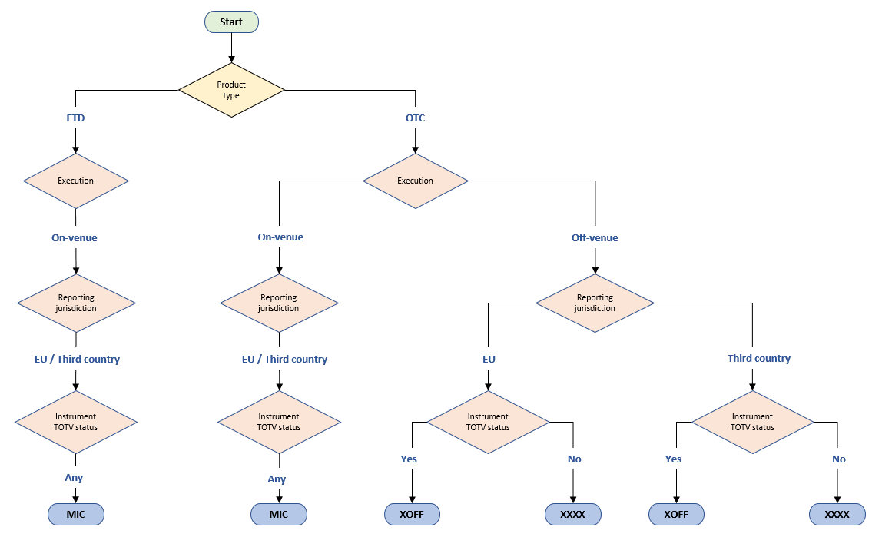
Last review date: | 20-May-21

Underlying id - flowchart
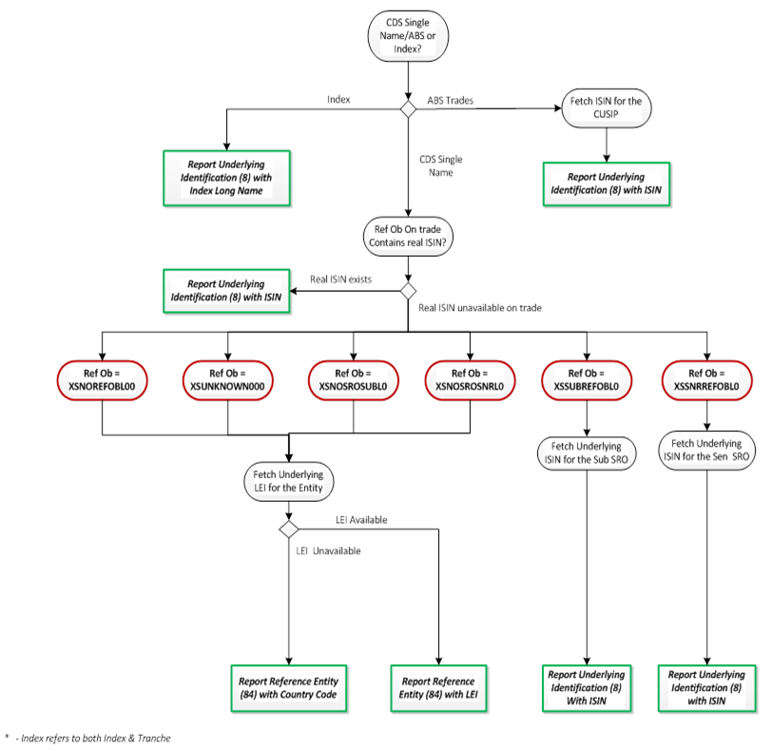
Credit: Underlying identification (field 2.8) and Reference entity (field 2.84) | Last review date: | 9-Nov-20

